SYSTEM OBJECTIVES
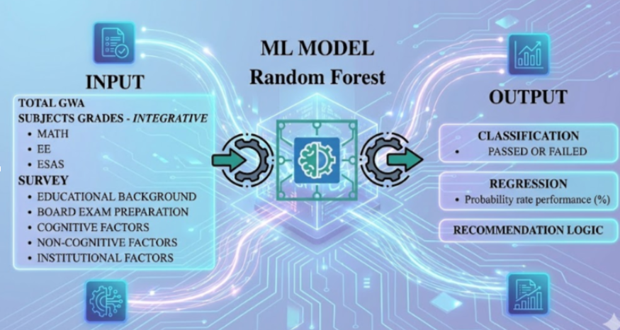
 |  |  |  |  |  |  |  | System Process Flow of the Prediction Software 1. Landing Page and System Introduction The system begins with a Landing Page Interface that introduces users to the software and explains its purpose. The landing page should provide a short description of the system, explaining that the software is designed to predict the likelihood of passing the Electrical Engineering Licensure Examination and provide insights that may help users improve their preparation. It should also present usage guidelines for different types of users, including: Students or individuals who will use the prediction system Faculty members or administrators who will monitor the system The landing page should provide basic instructions explaining how users can enter their information and generate prediction results. In addition, the page should include administrator guidelines, explaining how authorized personnel can access monitoring tools and analytics dashboards. A disclaimer note must also be displayed stating that prediction results depend on the accuracy and honesty of the information provided by the user. The note should also inform users that random or guessed responses may produce unreliable prediction results, which may not reflect their actual readiness for the licensure examination. 2. User Data Entry and Identification After accessing the system, users proceed to the User Prediction Interface where they input the necessary data required for the prediction model. The system should allow users to input academic and examination-related records, including: General Weighted Average (GWA) Individual subject ratings Board examination preparation factors Cognitive factors Non-cognitive factors Each user entry must be associated with a unique identifier, such as a student ID or system-generated ID, to allow proper tracking and monitoring within the system. Users should also be allowed to repeat the prediction process multiple times if they wish to update or reassess their in
 |  |  | MAIN OBJECTIVES OF THE STUDY
 |  |  | 1. To identify and model relevant features from the collected data that are hypothesized to significantly influence a student’s performance in the Registered Electrical Engineer (REE) licensure examination. 2. To develop and train a Random Forest classification and regression model using processed historical data to predict the probability of an Electrical Engineering student passing the REE licensure examination. 3. To evaluate and validate the performance of the developed Random Forest model using appropriate metrics and cross-validation techniques. 4. To extract and analyze actionable insights and patterns from the model’s prediction to pinpoint areas of strength and weakness in the current Electrical Engineering curriculum and student support system for interventions

SYSTEM LANDING PAGE |  | Administrator Monitoring Dashboard (Faculty Module) |  | User Prediction Interface (Student Module) |  | Machine Learning Model Development
FALSE | Provide a landing page explaining the system’s purpose, functionality, and prediction capability. | FALSE | Develop a dashboard for administrators to monitor all prediction records. | FALSE | Develop a user interface for entering personal, academic, and examination-related data (e.g., name, age, sex, year/month taking the exam). | FALSE | Use data 2022 to 2024 as for the model
FALSE | Clearly state that the system predicts the probability of passing the Electrical Engineering Licensure Examination | FALSE | Track system usage and user activity. | TRUE | Allow users to answer cognitive, non-cognitive, and board exam preparation factors. | TRUE | Develop prediction models using the Random Forest algorithm.
FALSE | Provide separate and concise usage guidelines for students and administrators. | FALSE | Display summarized prediction statistics (passers vs non-passers). | FALSE | Generate AI-based predictions showing pass/fail probability and expected rating. | TRUE | Implement both classification (pass/fail) and regression (rating prediction) models.
FALSE | Include step-by-step instructions on how to input data and generate predictions. | FALSE | Provide filtering options (monthly and yearly data). | FALSE | Allow users to update inputs and repeat the prediction process multiple times. | FALSE | Perform feature importance and correlation analysis among variables.
FALSE | Provide administrator instructions for accessing monitoring and analytics features. | Data Visualization & Analytics |  | TRUE | Assign a unique system-generated ID for each user entry. | FALSE | Identify key factors influencing licensure exam performance.
FALSE | Display a disclaimer emphasizing that prediction accuracy depends on truthful and accurate user input. | FALSE | Generate graphical visualizations (charts, graphs, trend analysis) of prediction data. | FALSE | Record and store all prediction attempts in the database. | FALSE | Data 2025 will be use to evaluate the prediction itself
 |  | FALSE | Display yearly and monthly prediction statistics. | Prediction Output & Recommendation System
 |  | FALSE | Provide comparative analysis across different years. | FALSE | Display prediction results including pass/fail classification and estimated board rating.
 |  | FALSE | Show trends in passing rates and predicted performance over time. | FALSE | Generate personalized recommendations based on user inputs and prediction results.
 |  | FALSE | Include a note indicating data is limited to first-time examinees. | FALSE | Focus recommendations on board preparation, cognitive, and non-cognitive improvement areas.
 |  | Model Evaluation & Performance Metrics |  | FALSE | Highlight specific actionable areas for improvement.
 |  | FALSE | Compute and display evaluation metrics for model performance. | FALSE | Ensure recommendations are visible only to the individual user.
 |  | FALSE | Present classification metrics (Accuracy, Precision, Recall, F1-Score, Confusion Matrix). | Questionnaire & Data Reliability Validation
 |  | FALSE | Present regression metrics (MAE, MSE, RMSE, R² Score). | FALSE | Detect inconsistent or random responses using validation rules.
 |  | FALSE | Generate performance reports for system evaluation. | FALSE | Analyze logical consistency across related questions.
 |  | Subject Performance & Trend Analysis |  | FALSE | Compute a reliability score to evaluate response accuracy.
 |  | FALSE | Generate subject performance graphs across multiple years. | FALSE | Categorize user responses based on predefined behavior patterns.
 |  | FALSE | Compare performance in key subjects (e.g., Math, EE, ESAS). | FALSE | Ensure the questionnaire is clear, readable, and logically organized.
 |  | FALSE | Identify subjects with increasing or decreasing trends.
 |  | AI-Based Insights & Reporting
 |  | FALSE | Generate automated insights based on prediction and historical data.
 |  | FALSE | Identify patterns in passing rates and performance trends.
 |  | FALSE | Provide comparative insights to support academic and faculty decision-making.

